Task 2
Screen | Description
0 | Use radio or toggle buttons & process their events

Screen | 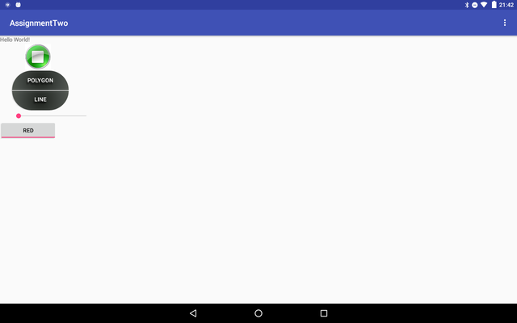 EXAMPLE: Screen shot of the functionality working (use widows snipping tool or equivalent on your OS)

Code 1 | tgglBtn = (ToggleButton) findViewById(R.id.tgglBtn); tgglBtn.setChecked(true);
Code 2 | public int setTgglBtnColor(boolean b){ if(tgglBtn.isChecked()){ Log.d(TAG,"BA.tggl red : " + R.color.coolRed); return R.color.coolRed; }else { Log.d(TAG,"BA.tggl green : " + R.color.coolGreen ); return R.color.green; } }
Code 3 | <ToggleButton android:id="@+id/tgglBtn" android:layout_width="140dp" android:layout_height="wrap_content" android:layout_below="@id/simpleSeekBar" android:textOn="red" android:textOff="green"/>

 | Add more app or code screen shots if you need to.
 | Anything special about the way this task was done?

Task 3
Screen | Description
0 | List or spinner & process it's events

Screen | 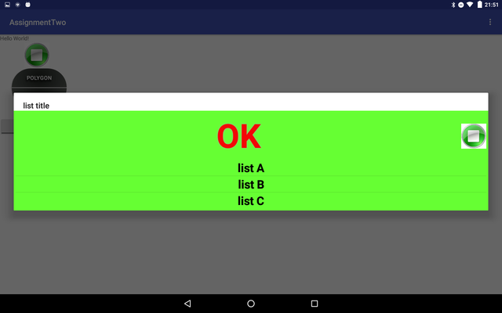 EXAMPLE: Screen shot of the functionality working (use widows snipping tool or equivalent on your OS)

Code 1 | <ImageButton android:id="@+id/alertBtn" android:layout_width="128dp" android:layout_height="wrap_content" android:gravity="center" android:layout_below="@+id/text" android:layout_marginTop="2dp" android:layout_marginLeft="30dp" android:onClick="onClickAlertBtn" android:src="@drawable/alert_btn" android:background="@android:color/transparent" />
Code 2 | public void onClickAlertBtn(View view) { android.util.Log.d(TAG, "BA.onClickAlertBtn"); ListDialog listDialog = ListDialog.newInstance(); listDialog.show(getFragmentManager(), "dialog"); }
Code 3 | public class ListDialog extends DialogFragment { public String TAG = "test"; public static ListDialog newInstance() { ListDialog listDialog = new ListDialog(); Bundle args = new Bundle(); listDialog.setArguments(args); return listDialog; } @Override public Dialog onCreateDialog(Bundle savedInstanceState) { Log.d(TAG,"WRF.onCreateDialog()"); AlertDialog.Builder builder = new AlertDialog.Builder(getActivity()); builder.setTitle(R.string.listtitle); LayoutInflater li = LayoutInflater.from(getActivity()); View view = li.inflate(R.layout.lis_dialog_layout, null); String [] arrayWork = getResources().getStringArray(R.array.list); ListArrayAdater adapter = new ListArrayAdater(getActivity(), arrayWork); ListView listView=(ListView) view.findViewById(R.id.listid); listView.setAdapter(adapter); listView.setOnItemClickListener(new AdapterView.OnItemClickListener() { @Override public void onItemClick(AdapterView<?> parent, View view, int position, long id) { Log.d(TAG,"WRF.onCreateDialog() position:id " + position + "," + id); String [] arrayWork = getResources().getStringArray(R.array.list); mListener.listDialogSelection(ListDialog.this, arrayWork[position]); } }); builder.setView(view); return builder.create(); } public interface ListDialogListener { void listDialogSelection(DialogFragment dialog, String work); } ListDialog.ListDialogListener mListener; @Override public void onAttach(Activity activity) { super.onAttach(activity); // Verify that the host activity implements the callback interface try { // Instantiate the NoticeDialogListener so we can send events to the host mListener = (ListDialog.ListDialogListener)
Code 4 | public class ListArrayAdater extends ArrayAdapter<String> { private final Context context; private String [] items; public ListArrayAdater(Context context, String [] stringArray) { super(context, R.layout.text_cutom, stringArray); this.context = context; items = stringArray; } @Override public View getView(int position, View convertView, ViewGroup parent) { LayoutInflater inflater = (LayoutInflater) context.getSystemService(Context.LAYOUT_INFLATER_SERVICE); View view = inflater.inflate(R.layout.text_cutom, parent, false); TextView textView1 = (TextView) view.findViewById(R.id.customtextview); textView1.setText(items[position]); return view; }

 | Add more app or code screen shots if you need to.
 | Anything special about the way this task was done?

